Férfi cipő
Cikkszám: | Megnevezés: | Készlet: |  | Nettó nagyker ár / HUF | Kedvezményesnettó NK ár | Bruttó ajánlott fogy. ár/HUF: | Kép:
DS2043_____0460___41 | Splash | 49 | pár | 4,000 Ft | 3,600 Ft | 7,999 Ft
DS2043_____0460___42 | Splash | 33 | pár | 4,000 Ft | 3,600 Ft | 7,999 Ft
DS2043_____0460___43 | Splash | 42 | pár | 4,000 Ft | 3,600 Ft | 7,999 Ft
DS2043_____0460___44 | Splash | 14 | pár | 4,000 Ft | 3,600 Ft | 7,999 Ft
DS2043_____0460___45 | Splash | 5 | pár | 4,000 Ft | 3,600 Ft | 7,999 Ft
DS2043_____0460___46 | Splash | 16 | pár | 4,000 Ft | 3,600 Ft | 7,999 Ft
DS2287M____0001___41 | ULTRALIGHT | 170 | pár | 12,500 Ft | 11,250 Ft | 24,999 Ft
DS2287M____0001___42 | ULTRALIGHT | 478 | pár | 12,500 Ft | 11,250 Ft | 24,999 Ft
DS2287M____0001___43 | ULTRALIGHT | 427 | pár | 12,500 Ft | 11,250 Ft | 24,999 Ft
DS2287M____0001___44 | ULTRALIGHT | 118 | pár | 12,500 Ft | 11,250 Ft | 24,999 Ft
DS2287M____0001___45 | ULTRALIGHT | 106 | pár | 12,500 Ft | 11,250 Ft | 24,999 Ft
DS2287M____0001___46 | ULTRALIGHT | 104 | pár | 12,500 Ft | 11,250 Ft | 24,999 Ft
DS24F05M___0702___41 | ALPINE | 1 | pár | 22,500 Ft | 20,250 Ft | 44,999 Ft
DS24F05M___0702___42 | ALPINE | 2 | pár | 22,500 Ft | 20,250 Ft | 44,999 Ft
DS24F05M___0702___43 | ALPINE | 1 | pár | 22,500 Ft | 20,250 Ft | 44,999 Ft
DS24F05M___0702___44 | ALPINE | 1 | pár | 22,500 Ft | 20,250 Ft | 44,999 Ft
DS24F05M___0702___45 | ALPINE | 3 | pár | 22,500 Ft | 20,250 Ft | 44,999 Ft
DS24F07M___0072___41 | PHANTOM REVENANT | 94 | pár | 16,500 Ft | 14,850 Ft | 32,999 Ft
DS24F07M___0072___42 | PHANTOM REVENANT | 84 | pár | 16,500 Ft | 14,850 Ft | 32,999 Ft
DS24F07M___0072___43 | PHANTOM REVENANT | 70 | pár | 16,500 Ft | 14,850 Ft | 32,999 Ft
DS24F07M___0072___44 | PHANTOM REVENANT | 2 | pár | 16,500 Ft | 14,850 Ft | 32,999 Ft
DS24F07M___0072___45 | PHANTOM REVENANT | 3 | pár | 16,500 Ft | 14,850 Ft | 32,999 Ft
DS24F07M___0072___46 | PHANTOM REVENANT | 1 | pár | 16,500 Ft | 14,850 Ft | 32,999 Ft
DS24F08M___0001___41 | ULTRAFORCE | 145 | pár | 17,500 Ft | 15,750 Ft | 34,999 Ft
DS24F08M___0001___42 | ULTRAFORCE | 120 | pár | 17,500 Ft | 15,750 Ft | 34,999 Ft
DS24F08M___0001___43 | ULTRAFORCE | 86 | pár | 17,500 Ft | 15,750 Ft | 34,999 Ft
DS24F08M___0001___44 | ULTRAFORCE | 6 | pár | 17,500 Ft | 15,750 Ft | 34,999 Ft
DS24F08M___0001___45 | ULTRAFORCE | 14 | pár | 17,500 Ft | 15,750 Ft | 34,999 Ft
DS24F26M___0002___41 | INFINITY | 58 | pár | 12,500 Ft | 11,250 Ft | 24,999 Ft
DS24F26M___0002___42 | INFINITY | 246 | pár | 12,500 Ft | 11,250 Ft | 24,999 Ft
DS24F26M___0002___43 | INFINITY | 223 | pár | 12,500 Ft | 11,250 Ft | 24,999 Ft
DS24F26M___0002___44 | INFINITY | 230 | pár | 12,500 Ft | 11,250 Ft | 24,999 Ft
DS24F26M___0002___45 | INFINITY | 100 | pár | 12,500 Ft | 11,250 Ft | 24,999 Ft
DS24F30M___0001___41 | PHANTOM ZEN | 93 | pár | 14,000 Ft | 12,600 Ft | 27,999 Ft
DS24F30M___0001___42 | PHANTOM ZEN | 99 | pár | 14,000 Ft | 12,600 Ft | 27,999 Ft
DS24F30M___0001___43 | PHANTOM ZEN | 109 | pár | 14,000 Ft | 12,600 Ft | 27,999 Ft
DS24F30M___0001___44 | PHANTOM ZEN | 34 | pár | 14,000 Ft | 12,600 Ft | 27,999 Ft
DS24F30M___0001___45 | PHANTOM ZEN | 8 | pár | 14,000 Ft | 12,600 Ft | 27,999 Ft
DS24S52M___0001___41 | SPLASH | 127 | pár | 4,000 Ft | 3,600 Ft | 7,999 Ft
DS24S52M___0001___42 | SPLASH | 332 | pár | 4,000 Ft | 3,600 Ft | 7,999 Ft
DS24S52M___0001___43 | SPLASH | 505 | pár | 4,000 Ft | 3,600 Ft | 7,999 Ft
DS24S52M___0001___44 | SPLASH | 153 | pár | 4,000 Ft | 3,600 Ft | 7,999 Ft
DS24S52M___0001___45 | SPLASH | 225 | pár | 4,000 Ft | 3,600 Ft | 7,999 Ft
DS24S52M___0001___46 | SPLASH | 69 | pár | 4,000 Ft | 3,600 Ft | 7,999 Ft
DS24S69M___0131___41 | ULTRALIGHT | 11 | pár | 12,500 Ft | 11,250 Ft | 24,999 Ft
DS24S69M___0131___42 | ULTRALIGHT | 22 | pár | 12,500 Ft | 11,250 Ft | 24,999 Ft
DS24S69M___0131___43 | ULTRALIGHT | 47 | pár | 12,500 Ft | 11,250 Ft | 24,999 Ft
DS24S69M___0131___44 | ULTRALIGHT | 7 | pár | 12,500 Ft | 11,250 Ft | 24,999 Ft
DS24S69M___0131___45 | ULTRALIGHT | 27 | pár | 12,500 Ft | 11,250 Ft | 24,999 Ft
DS25S00M___0001___41 | 90 CLASSIC | 45 | pár | 10,000 Ft | 9,000 Ft | 19,999 Ft
DS25S00M___0001___42 | 90 CLASSIC | 133 | pár | 10,000 Ft | 9,000 Ft | 19,999 Ft
DS25S00M___0001___43 | 90 CLASSIC | 148 | pár | 10,000 Ft | 9,000 Ft | 19,999 Ft
DS25S00M___0001___44 | 90 CLASSIC | 108 | pár | 10,000 Ft | 9,000 Ft | 19,999 Ft
DS25S00M___0001___45 | 90 CLASSIC | 126 | pár | 10,000 Ft | 9,000 Ft | 19,999 Ft
DS25S00M___0001___46 | 90 CLASSIC | 79 | pár | 10,000 Ft | 9,000 Ft | 19,999 Ft
DS25S04M___000140-41 | BALI | 62 | pár | 4,000 Ft | 3,600 Ft | 7,999 Ft
DS25S04M___000142-43 | BALI | 54 | pár | 4,000 Ft | 3,600 Ft | 7,999 Ft
DS25S04M___000144-45 | BALI | 54 | pár | 4,000 Ft | 3,600 Ft | 7,999 Ft
DS25S04M___040040-41 | BALI | 84 | pár | 4,000 Ft | 3,600 Ft | 7,999 Ft
DS25S04M___040042-43 | BALI | 62 | pár | 4,000 Ft | 3,600 Ft | 7,999 Ft
DS25S04M___040044-45 | BALI | 75 | pár | 4,000 Ft | 3,600 Ft | 7,999 Ft
DS25S08M___0001___41 | RUSTY | 51 | pár | 12,500 Ft | 11,250 Ft | 24,999 Ft
DS25S08M___0001___42 | RUSTY | 79 | pár | 12,500 Ft | 11,250 Ft | 24,999 Ft
DS25S08M___0001___43 | RUSTY | 89 | pár | 12,500 Ft | 11,250 Ft | 24,999 Ft
DS25S08M___0001___44 | RUSTY | 20 | pár | 12,500 Ft | 11,250 Ft | 24,999 Ft
DS25S08M___0001___45 | RUSTY | 36 | pár | 12,500 Ft | 11,250 Ft | 24,999 Ft
DS25S08M___0001___46 | RUSTY | 1 | pár | 12,500 Ft | 11,250 Ft | 24,999 Ft
DS25S08M___0101___41 | RUSTY | 98 | pár | 12,500 Ft | 11,250 Ft | 24,999 Ft
DS25S08M___0101___42 | RUSTY | 79 | pár | 12,500 Ft | 11,250 Ft | 24,999 Ft
DS25S08M___0101___43 | RUSTY | 72 | pár | 12,500 Ft | 11,250 Ft | 24,999 Ft
DS25S08M___0101___44 | RUSTY | 116 | pár | 12,500 Ft | 11,250 Ft | 24,999 Ft
DS25S08M___0101___45 | RUSTY | 117 | pár | 12,500 Ft | 11,250 Ft | 24,999 Ft
DS25S08M___0101___46 | RUSTY | 53 | pár | 12,500 Ft | 11,250 Ft | 24,999 Ft
DS25S08M___0102___41 | RUSTY | 13 | pár | 12,500 Ft | 11,250 Ft | 24,999 Ft | 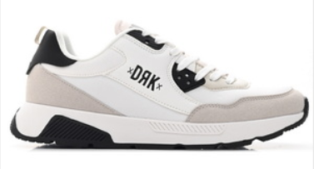
DS25S08M___0102___42 | RUSTY | 120 | pár | 12,500 Ft | 11,250 Ft | 24,999 Ft
DS25S08M___0102___43 | RUSTY | 114 | pár | 12,500 Ft | 11,250 Ft | 24,999 Ft
DS25S08M___0102___44 | RUSTY | 13 | pár | 12,500 Ft | 11,250 Ft | 24,999 Ft
DS25S08M___0102___45 | RUSTY | 42 | pár | 12,500 Ft | 11,250 Ft | 24,999 Ft
DS25S08M___0102___46 | RUSTY | 6 | pár | 12,500 Ft | 11,250 Ft | 24,999 Ft
DS25S09M___0001___41 | COASTAL | 64 | pár | 5,000 Ft | 4,500 Ft | 9,999 Ft
DS25S09M___0001___42 | COASTAL | 50 | pár | 5,000 Ft | 4,500 Ft | 9,999 Ft
DS25S09M___0001___43 | COASTAL | 37 | pár | 5,000 Ft | 4,500 Ft | 9,999 Ft
DS25S09M___0001___44 | COASTAL | 54 | pár | 5,000 Ft | 4,500 Ft | 9,999 Ft
DS25S09M___0001___45 | COASTAL | 67 | pár | 5,000 Ft | 4,500 Ft | 9,999 Ft
DS25S09M___0001___46 | COASTAL | 72 | pár | 5,000 Ft | 4,500 Ft | 9,999 Ft
DS25S17M___0160___41 | EASY | 17 | pár | 12,500 Ft | 11,250 Ft | 24,999 Ft | 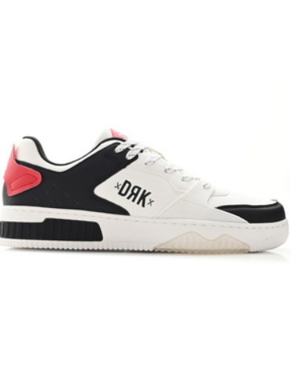
DS25S17M___0160___42 | EASY | 31 | pár | 12,500 Ft | 11,250 Ft | 24,999 Ft
DS25S17M___0160___43 | EASY | 50 | pár | 12,500 Ft | 11,250 Ft | 24,999 Ft
DS25S17M___0160___44 | EASY | 45 | pár | 12,500 Ft | 11,250 Ft | 24,999 Ft
DS25S17M___0160___45 | EASY | 35 | pár | 12,500 Ft | 11,250 Ft | 24,999 Ft
DS25S17M___0160___46 | EASY | 22 | pár | 12,500 Ft | 11,250 Ft | 24,999 Ft
DS25S17M___0160___47 | EASY | 2 | pár | 12,500 Ft | 11,250 Ft | 24,999 Ft
DS25S17M___0160___48 | EASY | 1 | pár | 12,500 Ft | 11,250 Ft | 24,999 Ft
DS25S17M___0160___49 | EASY | 7 | pár | 12,500 Ft | 11,250 Ft | 24,999 Ft
DS25S17M___0160___50 | EASY | 6 | pár | 12,500 Ft | 11,250 Ft | 24,999 Ft
DS25S19M___0111___41 | EL CLASSICO | 77 | pár | 9,000 Ft | 8,100 Ft | 17,999 Ft
DS25S19M___0111___42 | EL CLASSICO | 85 | pár | 9,000 Ft | 8,100 Ft | 17,999 Ft
DS25S19M___0111___43 | EL CLASSICO | 63 | pár | 9,000 Ft | 8,100 Ft | 17,999 Ft
DS25S19M___0111___44 | EL CLASSICO | 113 | pár | 9,000 Ft | 8,100 Ft | 17,999 Ft
DS25S19M___0111___45 | EL CLASSICO | 43 | pár | 9,000 Ft | 8,100 Ft | 17,999 Ft
DS25S19M___0111___46 | EL CLASSICO | 67 | pár | 9,000 Ft | 8,100 Ft | 17,999 Ft
DS25S19M___0460___41 | EL CLASSICO | 85 | pár | 9,000 Ft | 8,100 Ft | 17,999 Ft
DS25S19M___0460___42 | EL CLASSICO | 77 | pár | 9,000 Ft | 8,100 Ft | 17,999 Ft
DS25S19M___0460___43 | EL CLASSICO | 87 | pár | 9,000 Ft | 8,100 Ft | 17,999 Ft
DS25S19M___0460___44 | EL CLASSICO | 85 | pár | 9,000 Ft | 8,100 Ft | 17,999 Ft
DS25S19M___0460___45 | EL CLASSICO | 38 | pár | 9,000 Ft | 8,100 Ft | 17,999 Ft
...
 | Megnevezés: | Készlet: |  | Nettó nagyker ár / HUF | Kedvezményesnettó NK ár | Bruttó ajánlott fogy. ár/HUF: | Kép:
 | HUNGARY | 57 | pár | 5,000 Ft | 4,500 Ft | 9,999 Ft
 | HUNGARY | 22 | pár | 5,000 Ft | 4,500 Ft | 9,999 Ft
 | HUNGARY | 9 | pár | 5,000 Ft | 4,500 Ft | 9,999 Ft
 | HUNGARY | 19 | pár | 5,000 Ft | 4,500 Ft | 9,999 Ft
 | LAGOON | 89 | pár | 5,000 Ft | 4,500 Ft | 9,999 Ft
 | LAGOON | 77 | pár | 5,000 Ft | 4,500 Ft | 9,999 Ft
 | LAGOON | 94 | pár | 5,000 Ft | 4,500 Ft | 9,999 Ft
 | LAGOON | 76 | pár | 5,000 Ft | 4,500 Ft | 9,999 Ft
 | LAGOON | 50 | pár | 5,000 Ft | 4,500 Ft | 9,999 Ft
 | LAGOON | 55 | pár | 5,000 Ft | 4,500 Ft | 9,999 Ft
 | LAGOON SLIP ON | 59 | pár | 5,000 Ft | 4,500 Ft | 9,999 Ft | 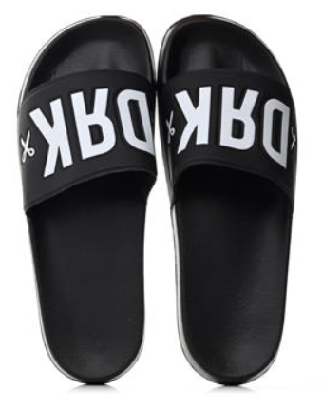
 | LAGOON SLIP ON | 72 | pár | 5,000 Ft | 4,500 Ft | 9,999 Ft
 | LAGOON SLIP ON | 75 | pár | 5,000 Ft | 4,500 Ft | 9,999 Ft
 | LAGOON SLIP ON | 82 | pár | 5,000 Ft | 4,500 Ft | 9,999 Ft
 | LAGOON SLIP ON | 70 | pár | 5,000 Ft | 4,500 Ft | 9,999 Ft
 | LAGOON SLIP ON | 69 | pár | 5,000 Ft | 4,500 Ft | 9,999 Ft
 | LAGOON SLIP ON | 5 | pár | 5,000 Ft | 4,500 Ft | 9,999 Ft
 | LAGOON SLIP ON | 27 | pár | 5,000 Ft | 4,500 Ft | 9,999 Ft
 | LAGOON SLIP ON | 77 | pár | 5,000 Ft | 4,500 Ft | 9,999 Ft
 | LAGOON SLIP ON | 94 | pár | 5,000 Ft | 4,500 Ft | 9,999 Ft
 | LAGOON SLIP ON | 115 | pár | 5,000 Ft | 4,500 Ft | 9,999 Ft
...
 | Megnevezés: | Készlet: |  | Nettó nagyker ár / HUF | Kedvezményesnettó NK ár | Bruttó ajánlott fogy. ár/HUF: | Kép:
 | PHANTOM | 44 | pár | 14,000 Ft | 12,600 Ft | 27,999 Ft
 | PHANTOM | 72 | pár | 14,000 Ft | 12,600 Ft | 27,999 Ft
 | PHANTOM | 43 | pár | 14,000 Ft | 12,600 Ft | 27,999 Ft
 | PHANTOM | 44 | pár | 14,000 Ft | 12,600 Ft | 27,999 Ft
 | PHANTOM | 50 | pár | 14,000 Ft | 12,600 Ft | 27,999 Ft
 | PHANTOM | 52 | pár | 14,000 Ft | 12,600 Ft | 27,999 Ft
 | PHANTOM | 75 | pár | 14,000 Ft | 12,600 Ft | 27,999 Ft
 | PHANTOM | 87 | pár | 14,000 Ft | 12,600 Ft | 27,999 Ft
 | PHANTOM | 75 | pár | 14,000 Ft | 12,600 Ft | 27,999 Ft
 | PHANTOM | 64 | pár | 14,000 Ft | 12,600 Ft | 27,999 Ft
 | PHANTOM | 58 | pár | 14,000 Ft | 12,600 Ft | 27,999 Ft | 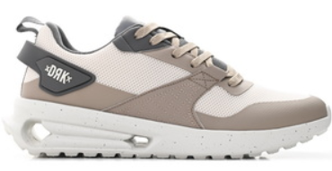
 | PHANTOM | 77 | pár | 14,000 Ft | 12,600 Ft | 27,999 Ft
 | PHANTOM | 60 | pár | 14,000 Ft | 12,600 Ft | 27,999 Ft
 | PHANTOM | 49 | pár | 14,000 Ft | 12,600 Ft | 27,999 Ft
 | PHANTOM | 17 | pár | 14,000 Ft | 12,600 Ft | 27,999 Ft
 | PHANTOM | 41 | pár | 14,000 Ft | 12,600 Ft | 27,999 Ft
 | PHANTOM ZEN | 59 | pár | 14,000 Ft | 12,600 Ft | 27,999 Ft
 | PHANTOM ZEN | 76 | pár | 14,000 Ft | 12,600 Ft | 27,999 Ft
 | PHANTOM ZEN | 75 | pár | 14,000 Ft | 12,600 Ft | 27,999 Ft
 | PHANTOM ZEN | 44 | pár | 14,000 Ft | 12,600 Ft | 27,999 Ft
 | PHANTOM ZEN | 16 | pár | 14,000 Ft | 12,600 Ft | 27,999 Ft
...
 | Megnevezés: | Készlet: |  | Nettó nagyker ár / HUF | Kedvezményesnettó NK ár | Bruttó ajánlott fogy. ár/HUF: | Kép:
 | RACER | 80 | pár | 5,000 Ft | 4,500 Ft | 9,999 Ft
 | RACER | 80 | pár | 5,000 Ft | 4,500 Ft | 9,999 Ft
 | RACER | 70 | pár | 5,000 Ft | 4,500 Ft | 9,999 Ft
 | RACER | 70 | pár | 5,000 Ft | 4,500 Ft | 9,999 Ft
 | RAPID | 33 | pár | 12,500 Ft | 11,250 Ft | 24,999 Ft
 | RAPID | 76 | pár | 12,500 Ft | 11,250 Ft | 24,999 Ft
 | RAPID | 74 | pár | 12,500 Ft | 11,250 Ft | 24,999 Ft
 | RAPID | 20 | pár | 12,500 Ft | 11,250 Ft | 24,999 Ft
 | RAPID | 28 | pár | 12,500 Ft | 11,250 Ft | 24,999 Ft
 | RAPID | 46 | pár | 12,500 Ft | 11,250 Ft | 24,999 Ft
 | CHALLENGER | 70 | pár | 10,000 Ft | 9,000 Ft | 19,999 Ft | 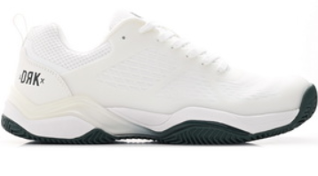
 | CHALLENGER | 80 | pár | 10,000 Ft | 9,000 Ft | 19,999 Ft
 | CHALLENGER | 90 | pár | 10,000 Ft | 9,000 Ft | 19,999 Ft
 | CHALLENGER | 70 | pár | 10,000 Ft | 9,000 Ft | 19,999 Ft
 | CHALLENGER | 40 | pár | 10,000 Ft | 9,000 Ft | 19,999 Ft
 | CHALLENGER | 60 | pár | 10,000 Ft | 9,000 Ft | 19,999 Ft
 | CHALLENGER | 70 | pár | 10,000 Ft | 9,000 Ft | 19,999 Ft
 | CHALLENGER | 90 | pár | 10,000 Ft | 9,000 Ft | 19,999 Ft
 | CHALLENGER | 110 | pár | 10,000 Ft | 9,000 Ft | 19,999 Ft
 | CHALLENGER | 70 | pár | 10,000 Ft | 9,000 Ft | 19,999 Ft
 | CHALLENGER | 40 | pár | 10,000 Ft | 9,000 Ft | 19,999 Ft
 | CHALLENGER | 60 | pár | 10,000 Ft | 9,000 Ft | 19,999 Ft
 | CHALLENGER | 100 | pár | 10,000 Ft | 9,000 Ft | 19,999 Ft
 | CHALLENGER | 150 | pár | 10,000 Ft | 9,000 Ft | 19,999 Ft
 | CHALLENGER | 200 | pár | 10,000 Ft | 9,000 Ft | 19,999 Ft
 | CHALLENGER | 200 | pár | 10,000 Ft | 9,000 Ft | 19,999 Ft
 | CHALLENGER | 130 | pár | 10,000 Ft | 9,000 Ft | 19,999 Ft
 | CHALLENGER | 110 | pár | 10,000 Ft | 9,000 Ft | 19,999 Ft
 | SWITCH | 68 | pár | 10,000 Ft | 9,000 Ft | 19,999 Ft | 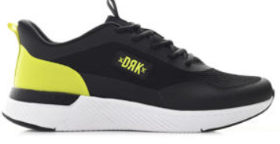
 | SWITCH | 84 | pár | 10,000 Ft | 9,000 Ft | 19,999 Ft
 | SWITCH | 91 | pár | 10,000 Ft | 9,000 Ft | 19,999 Ft
 | SWITCH | 57 | pár | 10,000 Ft | 9,000 Ft | 19,999 Ft
 | SWITCH | 46 | pár | 10,000 Ft | 9,000 Ft | 19,999 Ft
 | SWITCH | 78 | pár | 10,000 Ft | 9,000 Ft | 19,999 Ft
 | SWITCH | 1 | pár | 10,000 Ft | 9,000 Ft | 19,999 Ft
 | SWITCH | 223 | pár | 10,000 Ft | 9,000 Ft | 19,999 Ft | 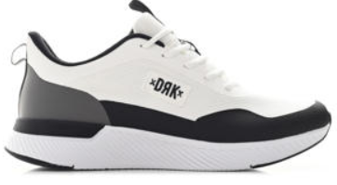
 | SWITCH | 252 | pár | 10,000 Ft | 9,000 Ft | 19,999 Ft
 | SWITCH | 230 | pár | 10,000 Ft | 9,000 Ft | 19,999 Ft
 | SWITCH | 49 | pár | 10,000 Ft | 9,000 Ft | 19,999 Ft
 | SWITCH | 56 | pár | 10,000 Ft | 9,000 Ft | 19,999 Ft
 | SWITCH | 114 | pár | 10,000 Ft | 9,000 Ft | 19,999 Ft
 | SWITCH | 28 | pár | 10,000 Ft | 9,000 Ft | 19,999 Ft
 | SWITCH | 7 | pár | 10,000 Ft | 9,000 Ft | 19,999 Ft
 | TITAN | 70 | pár | 12,500 Ft | 11,250 Ft | 24,999 Ft
 | TITAN | 70 | pár | 12,500 Ft | 11,250 Ft | 24,999 Ft
 | TITAN | 80 | pár | 12,500 Ft | 11,250 Ft | 24,999 Ft
 | TITAN | 90 | pár | 12,500 Ft | 11,250 Ft | 24,999 Ft
 | TITAN | 70 | pár | 12,500 Ft | 11,250 Ft | 24,999 Ft
 | TITAN | 70 | pár | 12,500 Ft | 11,250 Ft | 24,999 Ft
 | TRACE | 80 | pár | 10,000 Ft | 9,000 Ft | 19,999 Ft | 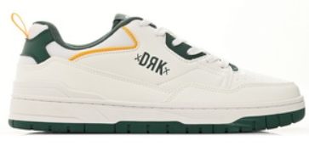
 | TRACE | 107 | pár | 10,000 Ft | 9,000 Ft | 19,999 Ft
 | TRACE | 130 | pár | 10,000 Ft | 9,000 Ft | 19,999 Ft
 | TRACE | 2 | pár | 10,000 Ft | 9,000 Ft | 19,999 Ft
 | TRACE | 41 | pár | 10,000 Ft | 9,000 Ft | 19,999 Ft
 | TRACE | 53 | pár | 10,000 Ft | 9,000 Ft | 19,999 Ft
 | ULTRALIGHT | 9 | pár | 12,500 Ft | 11,250 Ft | 24,999 Ft | 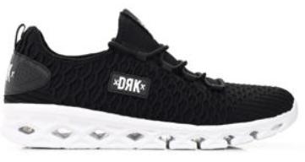
 | ULTRALIGHT | 8 | pár | 12,500 Ft | 11,250 Ft | 24,999 Ft
 | ULTRALIGHT | 7 | pár | 12,500 Ft | 11,250 Ft | 24,999 Ft
 | ULTRALIGHT | 7 | pár | 12,500 Ft | 11,250 Ft | 24,999 Ft
 | ULTRALIGHT | 8 | pár | 12,500 Ft | 11,250 Ft | 24,999 Ft
 | ULTRALIGHT | 9 | pár | 12,500 Ft | 11,250 Ft | 24,999 Ft
 | ULTRALIGHT | 6 | pár | 12,500 Ft | 11,250 Ft | 24,999 Ft
 | ULTRALIGHT | 7 | pár | 12,500 Ft | 11,250 Ft | 24,999 Ft
 | ULTRALIGHT | 49 | pár | 12,500 Ft | 11,250 Ft | 24,999 Ft
 | ULTRALIGHT | 54 | pár | 12,500 Ft | 11,250 Ft | 24,999 Ft
 | ULTRALIGHT | 56 | pár | 12,500 Ft | 11,250 Ft | 24,999 Ft
 | ULTRALIGHT | 24 | pár | 12,500 Ft | 11,250 Ft | 24,999 Ft
 | ULTRALIGHT | 17 | pár | 12,500 Ft | 11,250 Ft | 24,999 Ft
 | ULTRALIGHT | 9 | pár | 12,500 Ft | 11,250 Ft | 24,999 Ft
 | ULTRALIGHT | 39 | pár | 12,500 Ft | 11,250 Ft | 24,999 Ft | 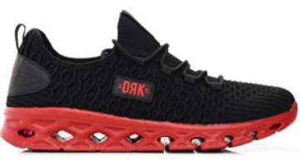
 | ULTRALIGHT | 68 | pár | 12,500 Ft | 11,250 Ft | 24,999 Ft
 | ULTRALIGHT | 67 | pár | 12,500 Ft | 11,250 Ft | 24,999 Ft
 | ULTRALIGHT | 86 | pár | 12,500 Ft | 11,250 Ft | 24,999 Ft
 | ULTRALIGHT | 86 | pár | 12,500 Ft | 11,250 Ft | 24,999 Ft
 | ULTRALIGHT | 67 | pár | 12,500 Ft | 11,250 Ft | 24,999 Ft
 | ULTRALIGHT | 68 | pár | 12,500 Ft | 11,250 Ft | 24,999 Ft
 | ULTRALIGHT | 36 | pár | 12,500 Ft | 11,250 Ft | 24,999 Ft
 | ULTRALIGHT | 37 | pár | 12,500 Ft | 11,250 Ft | 24,999 Ft
 | ULTRALIGHT | 19 | pár | 12,500 Ft | 11,250 Ft | 24,999 Ft
 | ULTRALIGHT | 19 | pár | 12,500 Ft | 11,250 Ft | 24,999 Ft
 | ULTRALIGHT | 10 | pár | 12,500 Ft | 11,250 Ft | 24,999 Ft | 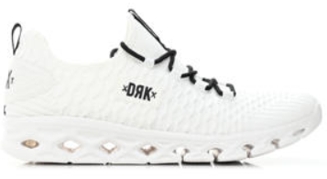
 | ULTRALIGHT | 10 | pár | 12,500 Ft | 11,250 Ft | 24,999 Ft
 | ULTRALIGHT | 10 | pár | 12,500 Ft | 11,250 Ft | 24,999 Ft
 | ULTRALIGHT | 10 | pár | 12,500 Ft | 11,250 Ft | 24,999 Ft
 | ULTRALIGHT | 10 | pár | 12,500 Ft | 11,250 Ft | 24,999 Ft
 | ULTRALIGHT | 60 | pár | 12,500 Ft | 11,250 Ft | 24,999 Ft
 | ULTRALIGHT | 10 | pár | 12,500 Ft | 11,250 Ft | 24,999 Ft
 | ULTRALIGHT | 10 | pár | 12,500 Ft | 11,250 Ft | 24,999 Ft
 | ULTRALIGHT | 13 | pár | 12,500 Ft | 11,250 Ft | 24,999 Ft | 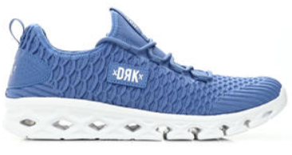
 | ULTRALIGHT | 53 | pár | 12,500 Ft | 11,250 Ft | 24,999 Ft
 | ULTRALIGHT | 48 | pár | 12,500 Ft | 11,250 Ft | 24,999 Ft
 | ULTRALIGHT | 49 | pár | 12,500 Ft | 11,250 Ft | 24,999 Ft
 | ULTRALIGHT | 49 | pár | 12,500 Ft | 11,250 Ft | 24,999 Ft
 | ULTRALIGHT | 53 | pár | 12,500 Ft | 11,250 Ft | 24,999 Ft
 | ULTRALIGHT | 33 | pár | 12,500 Ft | 11,250 Ft | 24,999 Ft
 | ULTRALIGHT | 10 | pár | 12,500 Ft | 11,250 Ft | 24,999 Ft | 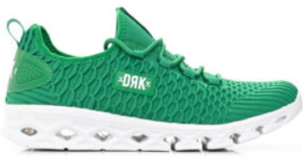
 | ULTRALIGHT | 49 | pár | 12,500 Ft | 11,250 Ft | 24,999 Ft
 | ULTRALIGHT | 54 | pár | 12,500 Ft | 11,250 Ft | 24,999 Ft
 | ULTRALIGHT | 45 | pár | 12,500 Ft | 11,250 Ft | 24,999 Ft
 | ULTRALIGHT | 15 | pár | 12,500 Ft | 11,250 Ft | 24,999 Ft
 | ULTRALIGHT | 33 | pár | 12,500 Ft | 11,250 Ft | 24,999 Ft
 | ULTRALIGHT | 77 | pár | 12,500 Ft | 11,250 Ft | 24,999 Ft
 | ULTRALIGHT | 80 | pár | 12,500 Ft | 11,250 Ft | 24,999 Ft
 | ULTRALIGHT | 76 | pár | 12,500 Ft | 11,250 Ft | 24,999 Ft
 | ULTRALIGHT | 20 | pár | 12,500 Ft | 11,250 Ft | 24,999 Ft
 | ULTRALIGHT | 21 | pár | 12,500 Ft | 11,250 Ft | 24,999 Ft
 | ULTRALIGHT | 29 | pár | 12,500 Ft | 11,250 Ft | 24,999 Ft
 | ULTRALIGHT | 21 | pár | 12,500 Ft | 11,250 Ft | 24,999 Ft | 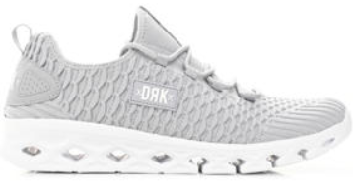
 | ULTRALIGHT | 65 | pár | 12,500 Ft | 11,250 Ft | 24,999 Ft
 | ULTRALIGHT | 68 | pár | 12,500 Ft | 11,250 Ft | 24,999 Ft
 | ULTRALIGHT | 74 | pár | 12,500 Ft | 11,250 Ft | 24,999 Ft
 | ULTRALIGHT | 56 | pár | 12,500 Ft | 11,250 Ft | 24,999 Ft
 | ULTRALIGHT | 67 | pár | 12,500 Ft | 11,250 Ft | 24,999 Ft
 | ULTRALIGHT | 27 | pár | 12,500 Ft | 11,250 Ft | 24,999 Ft
 | ULTRALIGHT | 17 | pár | 12,500 Ft | 11,250 Ft | 24,999 Ft
 | ULTRALIGHT | 18 | pár | 12,500 Ft | 11,250 Ft | 24,999 Ft
 | ULTRALIGHT | 3 | pár | 12,500 Ft | 11,250 Ft | 24,999 Ft
 | ULTRALIGHT | 3 | pár | 12,500 Ft | 11,250 Ft | 24,999 Ft
...
 | Megnevezés: | Készlet: |  | Nettó nagyker ár / HUF | Kedvezményesnettó NK ár | Bruttó ajánlott fogy. ár/HUF: | Kép:
 | ULTRALIGHT HUN | 121 | pár | 12,500 Ft | 11,250 Ft | 24,999 Ft
 | ULTRALIGHT HUN | 42 | pár | 12,500 Ft | 11,250 Ft | 24,999 Ft
 | ULTRALIGHT HUN | 41 | pár | 12,500 Ft | 11,250 Ft | 24,999 Ft
 | ULTRALIGHT HUN | 26 | pár | 12,500 Ft | 11,250 Ft | 24,999 Ft
 | VIBE | 74 | pár | 10,000 Ft | 9,000 Ft | 19,999 Ft
 | VIBE | 76 | pár | 10,000 Ft | 9,000 Ft | 19,999 Ft
 | VIBE | 71 | pár | 10,000 Ft | 9,000 Ft | 19,999 Ft
 | VIBE | 35 | pár | 10,000 Ft | 9,000 Ft | 19,999 Ft
 | VIBE | 40 | pár | 10,000 Ft | 9,000 Ft | 19,999 Ft
 | VIBE | 61 | pár | 10,000 Ft | 9,000 Ft | 19,999 Ft
 | STREET VIBE | 57 | pár | 10,000 Ft | 9,000 Ft | 19,999 Ft | 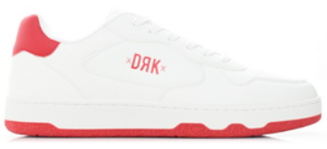
 | STREET VIBE | 102 | pár | 10,000 Ft | 9,000 Ft | 19,999 Ft
 | STREET VIBE | 116 | pár | 10,000 Ft | 9,000 Ft | 19,999 Ft
 | STREET VIBE | 23 | pár | 10,000 Ft | 9,000 Ft | 19,999 Ft
 | STREET VIBE | 12 | pár | 10,000 Ft | 9,000 Ft | 19,999 Ft
 | STREET VIBE | 36 | pár | 10,000 Ft | 9,000 Ft | 19,999 Ft
 | STREET VIBE | 3 | pár | 10,000 Ft | 9,000 Ft | 19,999 Ft
 | STREET VIBE | 1 | pár | 10,000 Ft | 9,000 Ft | 19,999 Ft
 | VIBE | 67 | pár | 10,000 Ft | 9,000 Ft | 19,999 Ft | 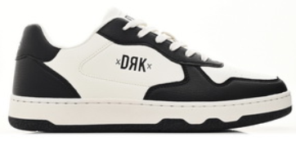
 | VIBE | 76 | pár | 10,000 Ft | 9,000 Ft | 19,999 Ft
 | VIBE | 68 | pár | 10,000 Ft | 9,000 Ft | 19,999 Ft
 | VIBE | 32 | pár | 10,000 Ft | 9,000 Ft | 19,999 Ft
 | VIBE | 10 | pár | 10,000 Ft | 9,000 Ft | 19,999 Ft
 | VIBE | 27 | pár | 10,000 Ft | 9,000 Ft | 19,999 Ft
 | JUMP | 79 | pár | 10,000 Ft | 9,000 Ft | 19,999 Ft | 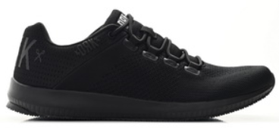
 | JUMP | 90 | pár | 10,000 Ft | 9,000 Ft | 19,999 Ft
 | JUMP | 100 | pár | 10,000 Ft | 9,000 Ft | 19,999 Ft
 | JUMP | 50 | pár | 10,000 Ft | 9,000 Ft | 19,999 Ft
 | JUMP | 50 | pár | 10,000 Ft | 9,000 Ft | 19,999 Ft
 | JUMP | 70 | pár | 10,000 Ft | 9,000 Ft | 19,999 Ft
 | JUMP | 40 | pár | 10,000 Ft | 9,000 Ft | 19,999 Ft
 | JUMP | 30 | pár | 10,000 Ft | 9,000 Ft | 19,999 Ft
 | JUMP | 20 | pár | 10,000 Ft | 9,000 Ft | 19,999 Ft
 | JUMP | 20 | pár | 10,000 Ft | 9,000 Ft | 19,999 Ft
 | JUMP | 53 | pár | 10,000 Ft | 9,000 Ft | 19,999 Ft | 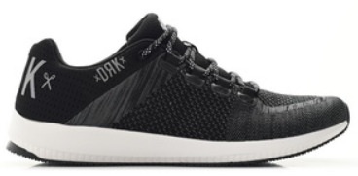
 | JUMP | 64 | pár | 10,000 Ft | 9,000 Ft | 19,999 Ft
 | JUMP | 42 | pár | 10,000 Ft | 9,000 Ft | 19,999 Ft
 | JUMP | 12 | pár | 10,000 Ft | 9,000 Ft | 19,999 Ft
 | JUMP | 18 | pár | 10,000 Ft | 9,000 Ft | 19,999 Ft
 | JUMP | 49 | pár | 10,000 Ft | 9,000 Ft | 19,999 Ft

Női cipő
...
Megnevezés: | Készlet: |  | Nettó nagyker ár / HUF | Kedvezményesnettó NK ár | Bruttó ajánlott fogy. ár / HUF | Kép:
SWITCH | 180 | pár | 10,000 Ft | 9,000 Ft | 19,999 Ft
SWITCH | 204 | pár | 10,000 Ft | 9,000 Ft | 19,999 Ft
SWITCH | 70 | pár | 10,000 Ft | 9,000 Ft | 19,999 Ft
SWITCH | 3 | pár | 10,000 Ft | 9,000 Ft | 19,999 Ft
ATLAS | 1 | pár | 12,500 Ft | 11,250 Ft | 24,999 Ft
ATLAS | 2 | pár | 12,500 Ft | 11,250 Ft | 24,999 Ft
ATLAS | 4 | pár | 12,500 Ft | 11,250 Ft | 24,999 Ft
ATLAS | 1 | pár | 12,500 Ft | 11,250 Ft | 24,999 Ft
ATLAS | 2 | pár | 12,500 Ft | 11,250 Ft | 24,999 Ft
ATLAS | 3 | pár | 12,500 Ft | 11,250 Ft | 24,999 Ft
ALPINE | 56 | pár | 22,500 Ft | 20,250 Ft | 44,999 Ft | 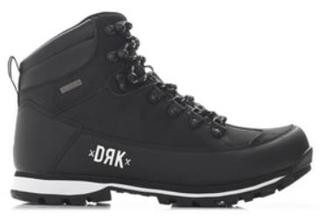
ALPINE | 124 | pár | 22,500 Ft | 20,250 Ft | 44,999 Ft
ALPINE | 105 | pár | 22,500 Ft | 20,250 Ft | 44,999 Ft
ALPINE | 91 | pár | 22,500 Ft | 20,250 Ft | 44,999 Ft
ALPINE | 86 | pár | 22,500 Ft | 20,250 Ft | 44,999 Ft
ALPINE | 27 | pár | 22,500 Ft | 20,250 Ft | 44,999 Ft
ALPINE | 76 | pár | 22,500 Ft | 20,250 Ft | 44,999 Ft
ALPINE | 133 | pár | 22,500 Ft | 20,250 Ft | 44,999 Ft
ALPINE | 141 | pár | 22,500 Ft | 20,250 Ft | 44,999 Ft
ALPINE | 124 | pár | 22,500 Ft | 20,250 Ft | 44,999 Ft
ALPINE | 120 | pár | 22,500 Ft | 20,250 Ft | 44,999 Ft
...

Gyerek cipő
Megnevezés: | Készlet: |  | Nettó nagykerár / HUF | Kedvezményesnettó NK ár | Bruttó ajánlott fogy. ár/HUF: | Kép:
90 CLASSIC PLATFORM KIDS | 60 | pár | 7,500 Ft | 6,750 Ft | 14999.00 | 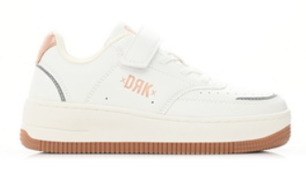
90 CLASSIC PLATFORM KIDS | 52 | pár | 7,500 Ft | 6,750 Ft | 14999.00
90 CLASSIC PLATFORM KIDS | 41 | pár | 7,500 Ft | 6,750 Ft | 14999.00
90 CLASSIC PLATFORM KIDS | 35 | pár | 7,500 Ft | 6,750 Ft | 14999.00
90 CLASSIC PLATFORM KIDS | 21 | pár | 7,500 Ft | 6,750 Ft | 14999.00
90 CLASSIC PLATFORM KIDS | 10 | pár | 7,500 Ft | 6,750 Ft | 14999.00
90 CLASSIC PLATFORM KIDS | 74 | pár | 7,500 Ft | 6,750 Ft | 14999.00
90 CLASSIC PLATFORM KIDS | 70 | pár | 7,500 Ft | 6,750 Ft | 14999.00
BALI K | 64 | pár | 3,000 Ft | 2,700 Ft | 5999.00
BALI K | 63 | pár | 3,000 Ft | 2,700 Ft | 5999.00
BALI K | 102 | pár | 3,000 Ft | 2,700 Ft | 5999.00
...
FLYWALKER T | 25 | pár | 6,500 Ft | 5,850 Ft | 12999.00
FLYWALKER T | 42 | pár | 6,500 Ft | 5,850 Ft | 12999.00
HYPER K | 44 | pár | 7,500 Ft | 6,750 Ft | 14999.00
HYPER K | 41 | pár | 7,500 Ft | 6,750 Ft | 14999.00
HYPER K | 43 | pár | 7,500 Ft | 6,750 Ft | 14999.00
HYPER K | 31 | pár | 7,500 Ft | 6,750 Ft | 14999.00
HYPER K | 18 | pár | 7,500 Ft | 6,750 Ft | 14999.00
HYPER K | 30 | pár | 7,500 Ft | 6,750 Ft | 14999.00
HYPER K | 91 | pár | 7,500 Ft | 6,750 Ft | 14999.00
HYPER K | 93 | pár | 7,500 Ft | 6,750 Ft | 14999.00
LAGOON K | 56 | pár | 3,500 Ft | 3,150 Ft | 6999.00 | 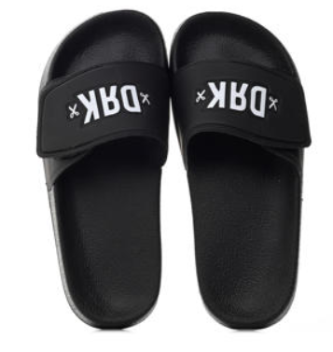
LAGOON K | 66 | pár | 3,500 Ft | 3,150 Ft | 6999.00
LAGOON K | 68 | pár | 3,500 Ft | 3,150 Ft | 6999.00
LAGOON K | 60 | pár | 3,500 Ft | 3,150 Ft | 6999.00
LAGOON K | 79 | pár | 3,500 Ft | 3,150 Ft | 6999.00
LAGOON K | 70 | pár | 3,500 Ft | 3,150 Ft | 6999.00
LAGOON K | 123 | pár | 3,500 Ft | 3,150 Ft | 6999.00
LAGOON K | 113 | pár | 3,500 Ft | 3,150 Ft | 6999.00
LAGUNA K | 50 | pár | 3,500 Ft | 3,150 Ft | 6999.00 | 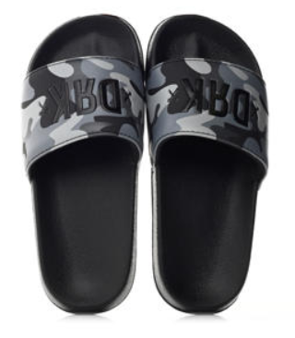
LAGUNA K | 65 | pár | 3,500 Ft | 3,150 Ft | 6999.00
LAGUNA K | 65 | pár | 3,500 Ft | 3,150 Ft | 6999.00
LAGUNA K | 65 | pár | 3,500 Ft | 3,150 Ft | 6999.00
LAGUNA K | 71 | pár | 3,500 Ft | 3,150 Ft | 6999.00
LAGUNA K | 71 | pár | 3,500 Ft | 3,150 Ft | 6999.00
LAGUNA K | 106 | pár | 3,500 Ft | 3,150 Ft | 6999.00
LAGUNA K | 99 | pár | 3,500 Ft | 3,150 Ft | 6999.00
LOLA K | 77 | pár | 3,500 Ft | 3,150 Ft | 6999.00 | 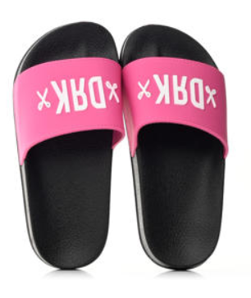
LOLA K | 77 | pár | 3,500 Ft | 3,150 Ft | 6999.00
LOLA K | 77 | pár | 3,500 Ft | 3,150 Ft | 6999.00
LOLA K | 76 | pár | 3,500 Ft | 3,150 Ft | 6999.00
LOLA K | 77 | pár | 3,500 Ft | 3,150 Ft | 6999.00
LOLA K | 77 | pár | 3,500 Ft | 3,150 Ft | 6999.00
LOLA K | 109 | pár | 3,500 Ft | 3,150 Ft | 6999.00
LOLA K | 109 | pár | 3,500 Ft | 3,150 Ft | 6999.00
MILA K | 37 | pár | 7,500 Ft | 6,750 Ft | 14999.00
MILA K | 32 | pár | 7,500 Ft | 6,750 Ft | 14999.00
MILA K | 29 | pár | 7,500 Ft | 6,750 Ft | 14999.00
...
Megnevezés: | Készlet: |  | Nettó nagykerár / HUF | Kedvezményesnettó NK ár | Bruttó ajánlott fogy. ár/HUF: | Kép:
SPEEDFORCE T | 112 | pár | 6,500 Ft | 5,850 Ft | 12999.00
SPEEDFORCE T | 89 | pár | 6,500 Ft | 5,850 Ft | 12999.00
SPEEDFORCE T | 50 | pár | 6,500 Ft | 5,850 Ft | 12999.00
SPEEDFORCE T | 98 | pár | 6,500 Ft | 5,850 Ft | 12999.00
SPEEDFORCE T | 38 | pár | 6,500 Ft | 5,850 Ft | 12999.00
SPEEDFORCE T | 57 | pár | 6,500 Ft | 5,850 Ft | 12999.00
SPEEDFORCE T | 81 | pár | 6,500 Ft | 5,850 Ft | 12999.00
SPEEDFORCE T | 81 | pár | 6,500 Ft | 5,850 Ft | 12999.00
SPEEDFORCE T | 38 | pár | 6,500 Ft | 5,850 Ft | 12999.00
SPEEDFORCE T | 80 | pár | 6,500 Ft | 5,850 Ft | 12999.00
ULTRALIGHT K | 18 | pár | 10,000 Ft | 9,000 Ft | 19999.00 | 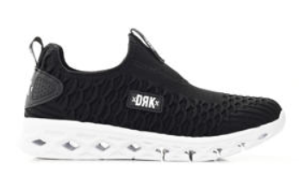
ULTRALIGHT K | 6 | pár | 10,000 Ft | 9,000 Ft | 19999.00
ULTRALIGHT K | 18 | pár | 10,000 Ft | 9,000 Ft | 19999.00
ULTRALIGHT K | 25 | pár | 10,000 Ft | 9,000 Ft | 19999.00
ULTRALIGHT K | 46 | pár | 10,000 Ft | 9,000 Ft | 19999.00
ULTRALIGHT K | 65 | pár | 10,000 Ft | 9,000 Ft | 19999.00
ULTRALIGHT K | 51 | pár | 10,000 Ft | 9,000 Ft | 19999.00
ULTRALIGHT K | 52 | pár | 10,000 Ft | 9,000 Ft | 19999.00
ULTRALIGHT K | 16 | pár | 10,000 Ft | 9,000 Ft | 19999.00 | 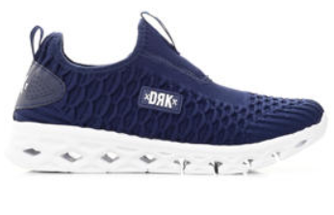
ULTRALIGHT K | 6 | pár | 10,000 Ft | 9,000 Ft | 19999.00
ULTRALIGHT K | 16 | pár | 10,000 Ft | 9,000 Ft | 19999.00
ULTRALIGHT K | 26 | pár | 10,000 Ft | 9,000 Ft | 19999.00
ULTRALIGHT K | 46 | pár | 10,000 Ft | 9,000 Ft | 19999.00
ULTRALIGHT K | 63 | pár | 10,000 Ft | 9,000 Ft | 19999.00
ULTRALIGHT K | 52 | pár | 10,000 Ft | 9,000 Ft | 19999.00
ULTRALIGHT K | 51 | pár | 10,000 Ft | 9,000 Ft | 19999.00
QUICK FG JR | 5 | pár | 10,000 Ft | 9,000 Ft | 19999.00
QUICK FG JR | 18 | pár | 10,000 Ft | 9,000 Ft | 19999.00
QUICK FG JR | 9 | pár | 10,000 Ft | 9,000 Ft | 19999.00
QUICK FG JR | 1 | pár | 10,000 Ft | 9,000 Ft | 19999.00
QUICK FG JR | 42 | pár | 10,000 Ft | 9,000 Ft | 19999.00
QUICK FG JR | 58 | pár | 10,000 Ft | 9,000 Ft | 19999.00
QUICK FG JR | 78 | pár | 10,000 Ft | 9,000 Ft | 19999.00
QUICK FG JR | 47 | pár | 10,000 Ft | 9,000 Ft | 19999.00
CHROMA K | 58 | pár | 2,500 Ft | 2,250 Ft | 4999.00 | 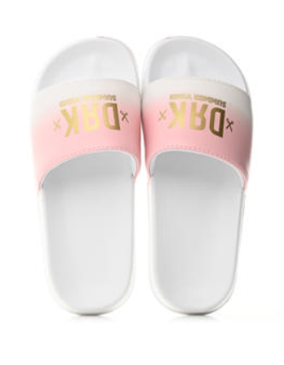
CHROMA K | 59 | pár | 2,500 Ft | 2,250 Ft | 4999.00
CHROMA K | 56 | pár | 2,500 Ft | 2,250 Ft | 4999.00
CHROMA K | 57 | pár | 2,500 Ft | 2,250 Ft | 4999.00
CHROMA K | 58 | pár | 2,500 Ft | 2,250 Ft | 4999.00
CHROMA K | 53 | pár | 2,500 Ft | 2,250 Ft | 4999.00
CHROMA K | 84 | pár | 2,500 Ft | 2,250 Ft | 4999.00
CHROMA K | 78 | pár | 2,500 Ft | 2,250 Ft | 4999.00
CHROMA K | 58 | pár | 2,500 Ft | 2,250 Ft | 4999.00
CHROMA K | 61 | pár | 2,500 Ft | 2,250 Ft | 4999.00
CHROMA K | 56 | pár | 2,500 Ft | 2,250 Ft | 4999.00
...

